Test1
Docker Client |  | Docker Apache |  | Vmware Client |  | Vmware Apache
Interval (s) | Transfer (Mbytes) | Interval (s) | Transfer (Mbytes) | Interval (s) | Transfer (Mbytes) | Interval (s) | Transfer (Mbytes)
0 -1 | 280 | 0 -1 | 280 | 0 -1 | 39.7 | 0 -1 | 36
1 -2 | 295 | 1 -2 | 294 | 1 -2 | 130 | 1 -2 | 131
2 - 3 | 299 | 2 - 3 | 298 | 2 - 3 | 166 | 2 - 3 | 166
3 - 4 | 306 | 3 - 4 | 307 | 3 - 4 | 155 | 3 - 4 | 155
4 - 5 | 301 | 4 - 5 | 301 | 4 - 5 | 261 | 4 - 5 | 263
5 - 6 | 284 | 5 - 6 | 284 | 5 - 6 | 306 | 5 - 6 | 306
6 - 7 | 285 | 6 - 7 | 284 | 6 - 7 | 80 | 6 - 7 | 78.1
7 - 8 | 284 | 7 - 8 | 285 | 7 - 8 | 131 | 7 - 8 | 133
8 - 9 | 285 | 8 - 9 | 284 | 8 - 9 | 284 | 8 - 9 | 246
9 - 10 | 288 | 9 - 10 | 287 | 9 - 10 | 211 | 9 - 10 | 212
Interval (s) | Bitrate MBytes/s | Interval (s) | Bitrate MBytes/s | Interval (s) | Bitrate MBytes/s | Interval (s) | Bitrate MBytes/s
0 - 10 (average) | 290.7 | 0 - 10 | 290.4 | 0 - 10 | 176.37 | 0 - 10 | 172.61
Total Transfer (Gbytes) | 2.84 | Total Transfer (Gbytes) | 2.84 | Total Transfer (Gbytes) | 1.69 | Total Transfer (Gbytes) | 1.69

 |  |  |  | Its sporadic, probably drops some because it cant handle all the requests

Client Transfer Rate

Apache Server Transfer Rate

Test2
Number of Queries Peformed in 5 Minutes
Queries Performed Per Second
Transactions Per Second
SQL Database Test Comparison
Time: | 300s | (5 mins)
Queries Performed
System | Read | Write | Other | Total | Queries/sec
Docker | 432782 | 123652 | 61826 | 618260 | 2060.66
Vmware | 146860 | 41960 | 20980 | 209800 | 699.18

Transactions / Events
System | Total | Per/sec
Docker | 30913 | 103.03
Vmware | 10490 | 34.96

Minimum, Average and 95th percentile Latency
Latency (ms)
System | Minimum | Average | max | 95th Percentile
Docker | 6.89 | 19.41 | 2901.77 | 23.10
Vmware | 6.73 | 57.20 | 10959.01 | 114.72

Test3
Namebench Docker | avg wait (ms) | Namebench VMware | avg wait (ms)
Name Server | Docker | Name Server | Vmware
DNS2 | 359.76 | DNS2 | 650.44 | No max info due to both systems maxing out their 3500ms max wait time at least once
DNS3 | 405.61 | DNS3 | 668.06 | This is to be expected with such a large list of domains
Docker | Min Wait (ms) | Vmware | Min Wait (ms)
DNS2 | 0.4 | DNS2 | 0.6
DNS3 | 0.4 | DNS3 | 0.6

Namebench: Average DNS Response Time
 | DNS3 | DNS2
Docker | 405.61 | 359.76
Vmware | 668.06 | 650.44

Namebench: Minimum DNS Response Time
 | DNS3 | DNS2
Docker | 0.4 | 0.4
 | 0.6 | 0.6

Test4 Latency
Number of times this latency was recorded in 1 Minute, 38 seconds.

JMeter: Frequency a Latency (ms) was recorded
Latency (ms) | Docker Count | Vmware Count
0 | 248 | 34
1 | 572 | 536
2 | 93 | 195
3 | 54 | 92
4 | 13 | 45
5 | 1 | 25
6 | 7 | 21
7 | 3 | 8
8 | 2 | 8
9 | 2 | 2
10 | 0 | 8
More than 10, Less than 100 | 4 | 18
More than 100 | 1 | 8

Conmbined Latency
Latency (ms) | Docker Count | Vmware Count
0 | 248 | 34
1 | 572 | 536
2 | 93 | 195
3-5 | 68 | 162
6-8 | 12 | 37 | AVERAGE LATENCY (ms)
9+ | 7 | 36 | Docker | Vmware
 |  |  | 5.85 | 8.88

Test 4 Performance CPU
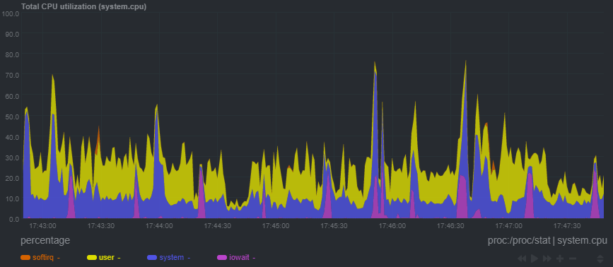
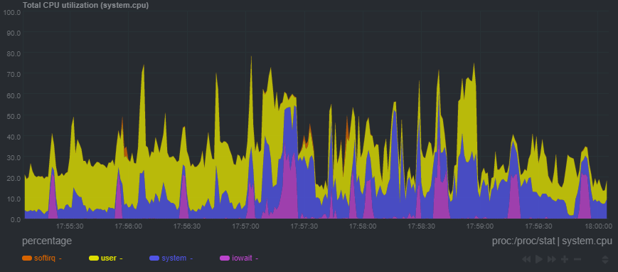
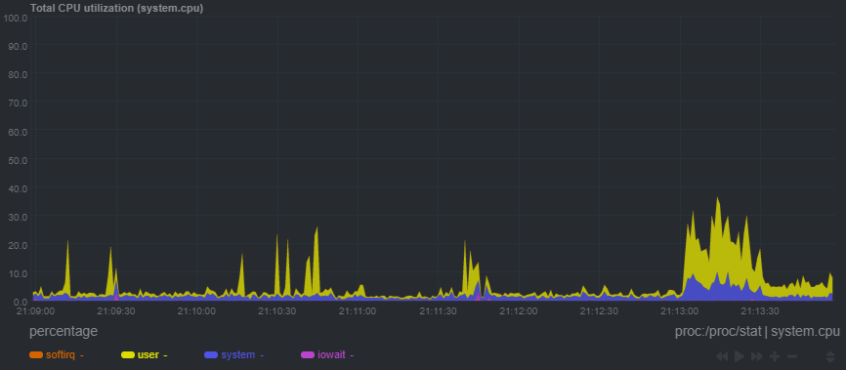
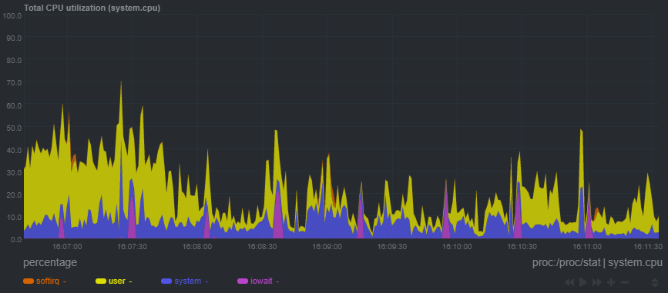
Docker CPU Idle: | Docker CPU Workload:

Vmware CPU Idle: | Vmware CPU Workload:

Test 4 Performance RAM
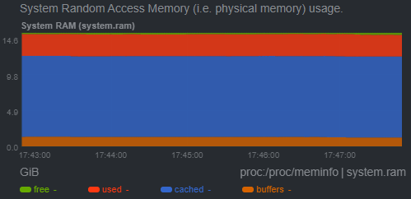
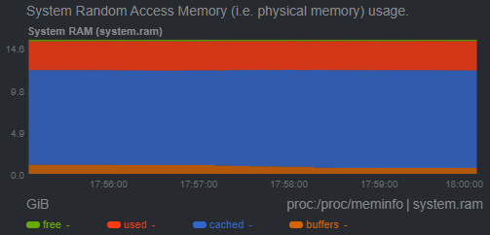
Docker RAM Idle: | Docker RAM Workload:
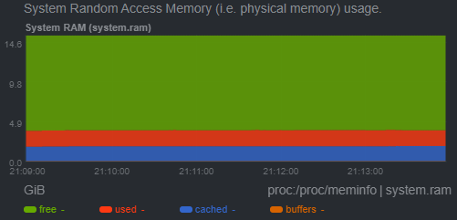
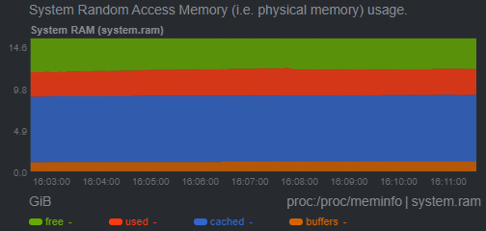

Vmware RAM Idle: | Vmware RAM Workload:

Test 4 Performance Load
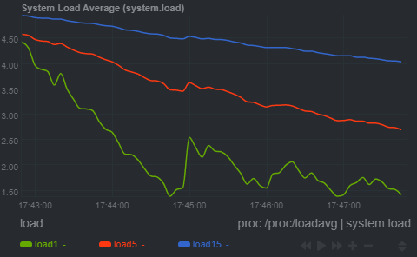
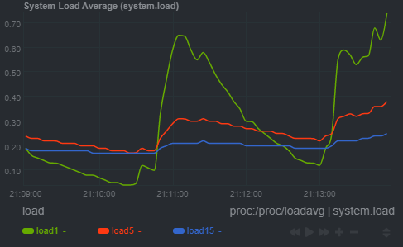
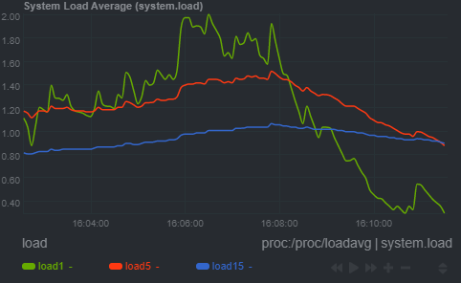
Docker Load Idle: | Docker Load Workload:
 |  | Current system load, i.e. the number of processes using CPU or waiting for system resources (usually CPU and disk). The 3 metrics refer to 1, 5 and 15 minute averages. The system calculates this once every 5 seconds.

 |  | https://en.wikipedia.org/wiki/Load_(computing)

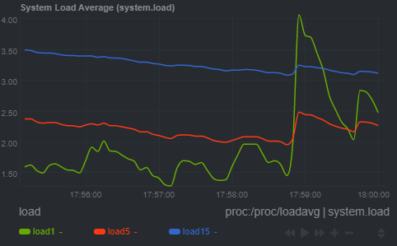
VMware Load Idle: | Vmware Load Workload:

